Front Page
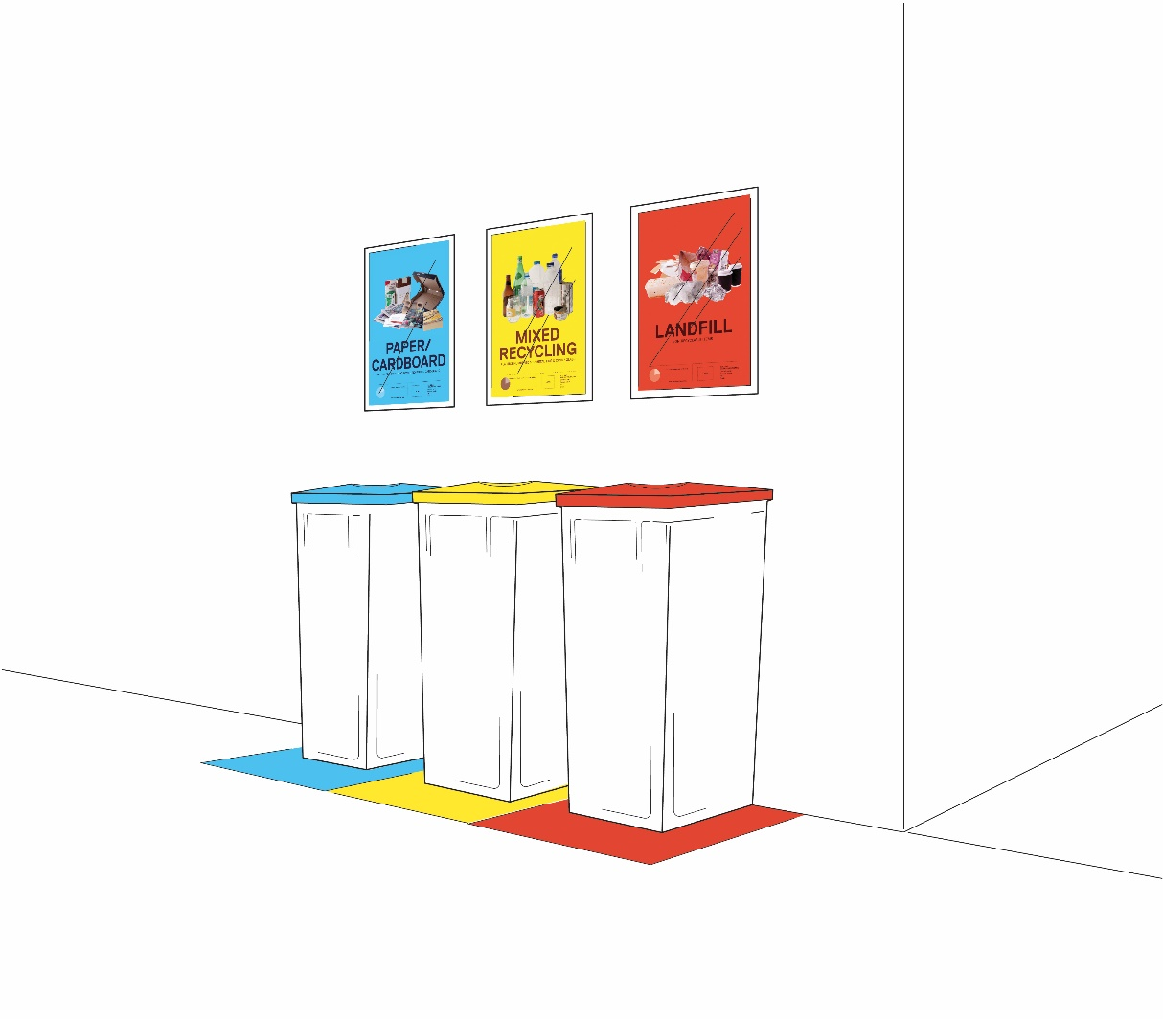
Workplace Waste Assessment Tool

 | This workbook is to assist with data collection only. Once completed, a report can be requested from your CitySwitch Program Manager or cityswitch@cityofsydney.nsw.gov.au by sending the workbook back.

Instructions
Instructions
This tool is designed to provide you with a simple snapshot of your office's waste generation and recycling rates. Through a visual observation of waste streams, it will give you an approximation of what you are currently sending to landfill and diverting to recycling. Using this information, it will then enable you to begin discussions with both your own management and the building management on simple solutions to improve your waste processes. Conducting the Assessment 1. The visual observation should occur over a working week (5 days). 2. Avoid conducting the observation over any holiday periods e.g. Christmas and school holidays. 3. Undertake the observation at approximately the same time each day, and ideally towards the end of the working day to get a reflective sample of your waste generation. 4. Ensure that you wear appropriate Personal Protection Equipment (PPE) i.e. gloves and glasswear if required. Tongs may assist in handling materials to achieve better observations. 5. Choose a floor(s) to sample from your tenancy – the more bins/floors you choose, the more representative your sample will be of your office waste profile. Ensure you include all the bins within your chosen area, noting the location, and remembering bins may be located in printing areas, kitchens and under desks. 6. For each bin selected note the volume capacity i.e. typical household wheelie bins are 240L and smaller wheelie bins (like most household general waste bins) are 120L. Common round dome-lid garden bins (what you would buy from a hardware store) are 60L. Pedal bins in kitchen areas are typically 40L. Small under-desk bins/boxes are 10L. 7. Determine whether the bin is either 10%, 25%, 50%, 75% or 100% full. If the bin is overflowing this can be noted as 125% full. Refer to the following page for a visual example. 8. Visually observe the contents of each bin and determine the composition percentage for each stream i.e. 50% landfill, 20% paper, 20% mixed recycling, 5% cardboard

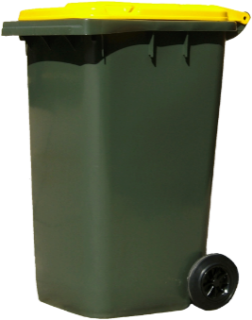

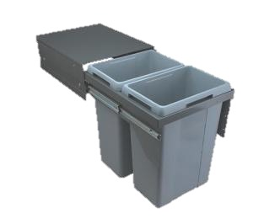

10 Litres
40Litres
45 Litres
60 Litres
120 Litres
240 Litres

10. There is also a comments field that can be used to note the actual contaminants in each bin which can then be noted for any future engagement/signage issues. Once your visual observations are completed, input your information to both the Site Details and Data fields within this Excel Spreadsheet, save it, and e-mail it back to your CitySwitch Program Manager.

Not already a member? Get in touch at cityswitch@cityofsydney.nsw.gov.au and a program manager will contact you.

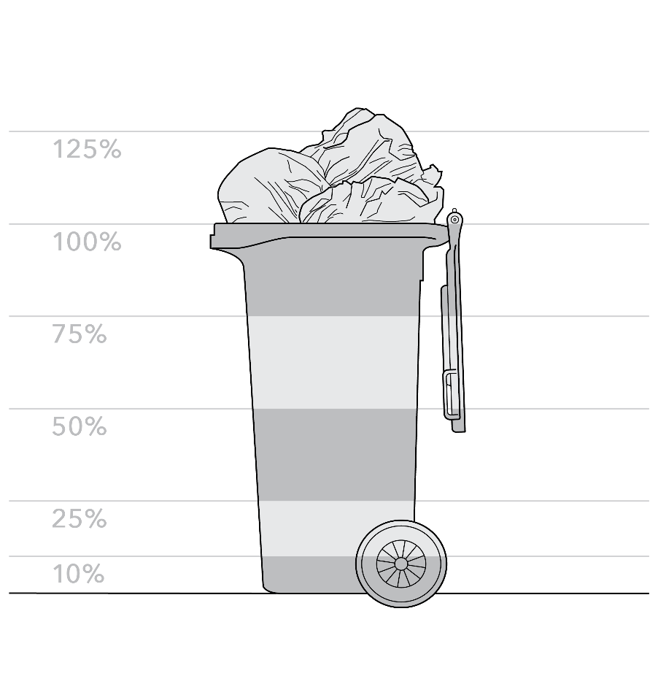
Definitions Mixed Recycling – all plastics numbered 1-7 i.e. drink bottle, food containers, aluminium and steel cans, glass Paper – all paper types including glossy magazines, newspaper, envelopes with plastic window Cardboard – all cardboard packaging, boxes, cards etc. Note – waxed cardboard i.e. from fruit shop is not to be included in the cardboard category, it should be considered landfill. Organics – Food scraps, vegetation (flowers) Landfill – all other non-recyclable items including soiled handtowels, coffee cups (even if they are labelled recyclable)

Contamination is any material that enters a recycling stream that cannot be recycled at the facility. If contamination is too high the entire contaminated content will have to be sent to landfill. Common contaminants include coffee cups in paper/recycling bins, ream wrappers in paper bins, significant food in plastic containers within the recycling stream, paper hand towels in paper bin, etc. Note that repeated contaminants should be added in the comments field of the data sheet.

